Operations Data
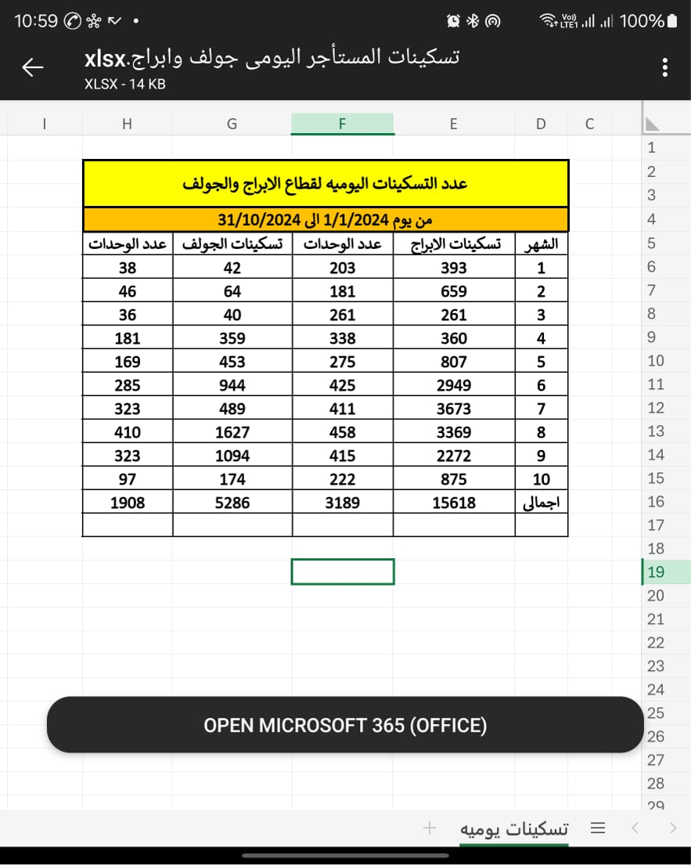
% rentable units | Units | Location | Compound | Units for Rent | Short Stays | Avg Family | Total Chek-ins / pax | Long Stays | Galala Students | Avg Student Group | Low Occ. month | Mid Occ. month | High Occ. month | Low Occ. | Mid Occ. | High Occ.
28% | 1,578 | Sokhna | Towers | 436 | 19,296 | 4 | 77,184 | 372 | 266 | 4 | Nov-Feb | Mar-Apr | May-Oct | 23% | 45% | 105%
7% | 4,333 |  | Golf | 303 | 6,469 | 4 | 25,876 |  | 206 | 4 | Nov-Feb | Mar-Apr | May-Oct | 23% | 45% | 105% | 13,410 | (6,941)
21% | 2,162 | Port Said |  | 453 | 15,216 | 4 | 60,864 |  |  | 4 | Nov-Feb | Mar | Apr-Oct | 23% | 45% | 85% | 20,048 | (4,832)
51% | 1,288 | Matrouh |  | 659 | 15,164 | 4 | 60,656 |  |  | 4 | Nov-Feb | Feb-May | Jun-Oct | 23% | 45% | 85% | 29,165 | (14,001)
 | - | Minia |  | - | - | - |  | - | - | - | - | - | - | - | - | -

20% | 9,361 |  |  | 1,851 | 56,145 |  | per year | per month | per day | Checkin window | Peak Checkin | per min
 |  |  |  |  |  | 12 | 224,580 | 18,715 | 624 | 156 | 312 | 3 | 5
 |  |  |  |  | yearly
 |  | Location | Compound | Units | Jan | Feb | Mar | Apr | May | Jun | Jul | Aug | Sep | Oct | Nov | Dec | Weekly Avg | Monthly Avg
 |  | Sokhna | Towers | 436 | 47% | 42% | 60% | 78% | 63% | 97% | 94% | 105% | 95% | 51% | 47% | 42% | 72% | 68%
 |  |  |  | Short Stay | 203 | 181 | 261 | 338 | 275 | 425 | 411 | 458 | 415 | 222 | 203 | 181 | 3,573 | (15,723)
 |  |  |  |  | 1,608 | 1,608 | 1,608 | 1,608 | 1,608 | 1,608 | 1,608 | 1,608 | 1,608 | 1,608 | 1,608 | 1,608 | 19,296 | -
 |  |  |  | Short stays | 203 | 181 | 261 | 338 | 275 | 425 | 411 | 458 | 415 | 222 | 203 | 181 | 3,573 | (2,896)
 |  |  |  | Pax (Estimated) | 393 | 659 | 261 | 360 | 807 | 2,949 | 3,673 | 3,369 | 2,272 | 875 | 812 | 333 | 16,763
 |  |  |  | Galala Uni | (266) | (266) | (266) | (266) | (266) | (266) |  |  | (266) | (266) | (266) | (266)
 |  |  |  | Pax (Estimated) | 1,064 | 1,064 | 1,064 | 1,064 | 1,064 | 1,064 | - | - | 1,064 | 1,064 | 1,064 | 1,064 | 10,640
 |  |  |  | Sub Total Units | 469 | 447 | 527 | 604 | 541 | 691 | 411 | 458 | 681 | 488 | 469 | 447 | 6,233
 |  |  |  | Sub Total Pax | 1,457 | 1,723 | 1,325 | 1,424 | 1,871 | 4,013 | 3,673 | 3,369 | 3,336 | 1,939 | 1,876 | 1,397 | 27,403
 |  |  | Golf | 303 | 23% | 23% | 23% | 45% | 45% | 105% | 105% | 105% | 105% | 54% | 23% | 23% | 72% | 56%
 |  |  |  | Short Stay | 68 | 68 | 68 | 136 | 136 | 318 | 318 | 318 | 318 | 163 | 68 | 68 | 2,049 | (4,420)
 |  |  |  | Pax (Estimated) | 273 | 273 | 273 | 545 | 545 | 1,273 | 1,273 | 1,273 | 1,273 | 653 | 273 | 273 | 8,197
 |  |  |  | Galala Uni | (206) | (206) | (206) | (206) | (206) | (206) |  |  | (206) | (206) | (206) | (206)
 |  |  |  | Pax (Estimated) | 824 | 824 | 824 | 824 | 824 | 824 | - | - | 824 | 824 | 824 | 824 | 8,240
 |  |  |  | Sub Total Units | 274 | 274 | 274 | 342 | 342 | 524 | 318 | 318 | 524 | 369 | 274 | 274
 |  |  |  | Sub Total Pax | 1,097 | 1,097 | 1,097 | 1,369 | 1,369 | 2,097 | 1,273 | 1,273 | 2,097 | 1,477 | 1,097 | 1,097 | 16,437
 |  | Port Said |  | 453 | 29% | 29% | 45% | 77% | 85% | 85% | 102% | 102% | 85% | 85% | 29% | 29% | 72% | 65%
 |  |  |  | Short Stay | 133 | 133 | 204 | 347 | 385 | 385 | 461 | 461 | 385 | 385 | 133 | 133 | 3,543 | (11,673)
 |  |  |  | Pax (Estimated) | 371 | 371 | 571 | 970 | 1,078 | 1,078 | 1,293 | 1,293 | 1,078 | 1,078 | 371 | 371 | 9,922
 |  | Matrouh |  | 659 | 29% | 29% | 45% | 68% | 77% | 85% | 102% | 102% | 85% | 85% | 29% | 29% | 72% | 64%
 |  |  |  | Short Stay | 193 | 193 | 297 | 448 | 504 | 560 | 672 | 672 | 560 | 560 | 193 | 193 | 5,045 | (10,119)
 |  |  |  | Pax (Estimated) | 371 | 371 | 571 | 862 | 970 | 1,078 | 1,293 | 1,293 | 1,078 | 1,078 | 371 | 371 | 9,707
 |  | Minia |  | - | - | - | - | - | - | - | - | - | - | - | - | - | - | -

